HELP
Spreadsheet123 Beverage Stocktake - Ver 1.0.3

1. Getting started with Beverage Stocktake

Before you begin preparing your template for the first time, please consider making another copy of the original file somewhere on your computer, so that you can have something to get back to in case if something goes wrong during customization. In addition, we recommend making another copy of the file after you have completed customizations, so that you won't have to customize everything again in case of a failure or to simply use it as a master copy each time you starting a new accounting period. General rule of thumb: If your file was delivered in a .zip archive, the file must be extracted from that archive, prior to making any changes and customizations, otherwise changes may not be saved.

2. Beverage Stocktake General Settings

Settings Tab
This is where you should begin setting up your spreadsheet. You can begin with entering your company name and slogan, if you want it to appear at a top left corner on every worksheet, alternatively you can simply disable it by selecting "Disable" from the dropdown menu. Same applies to your company address details except that if you don't want your address to appear on the Budget tab, you would have to leave unwanted cells blank in the Company Address section. (Available in Monthly Beverage Stocktake Pro version only)
 | 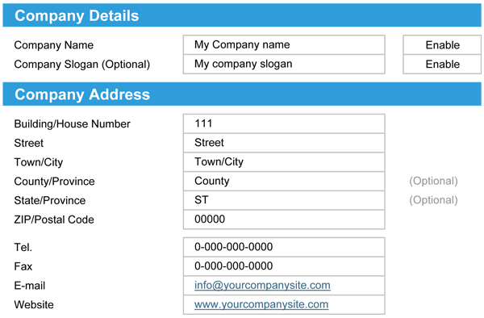

Country Specific Settings
Country specific settings are important especially the Tax/VAT settings, because the information entered here is also used to perform calculations on other worksheets of the Beverage Stocktake. Here you are also able to select the relevant currency symbol out of four available and also specify the relevant name for your tax. (e.g. USA uses Sales Tax while UK and majority of other European countries using VAT)

3. Setting up quantities and volumes

Starting from "Units of Measure" you will begin setting up your standards for all beverage products that you are purchasing or selling. Prior to setting up your standard measures otherwise known as "Optic", you might want to consult with appropriate authorities and possibly familiarise yourself with rules and regulations for sale alcoholic beverages specific to country or region.
Please read the following article on Wikipedia |  | Alcoholic spirits measure
By default, the size of 1 portion of alcoholic spirit is 25 ml, which means that any bottle of alcoholic drink is divided on to 25 ml portions to identify the number of shots as well as cost of each portion of drink. If you feel more comfortable using Imperial units of measure, such as ounces, you can change values of those cells accordingly. The first column contains names (a.e. "25 ml") that does populate all drop-down menus on the Inventory worksheet, with values you enter into them, when the column on the right contains mathematical values (a.e. "25") which is used to determine values in calculations across entire spreadsheet.

The rest of the settings are mostly related to the goods that you are purchasing and are fairly simple to set up considering that you have followed the example provided above.

Using Imperial or US liquid measures
This version of Beverage Stocktake is fully capable to work with both metric as well as Imperial units of measure of beverage provided that your settings are correct. For instance, you can use "Fifth" as a name instead of "75cl" or "750ml" bottle and change mathematical value in the next column from "750" millilitres to "25.36" fluid oz.

Adding additional rows
You can add as many rows as you need to any section on the Settings tab, but to do this correctly, just make sure to add a new row above the last empty cell within that section, otherwise the row will not be included in array.

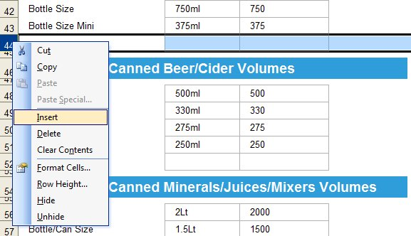

4. Setting up the inventory

The inventory tab is where you would be creating a list of all items you are already selling or planning to sell in your bar or restaurant. This is also where, you would be assigning all quantities to the items that you are selling as they are purchased. For instance if the wine you are purchasing comes in 6 bottle cartons, cost of which is $22.15, you then have to select Case 6 in the "Bottle" column, to determine the cost per each bottle.
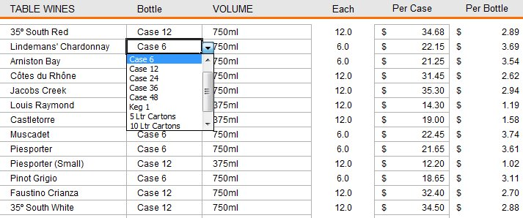

In the next column "Volume" you need to select the correct volume for of the bottle.

For more thorough explanation, please watch the demo video.

